Decision Tree
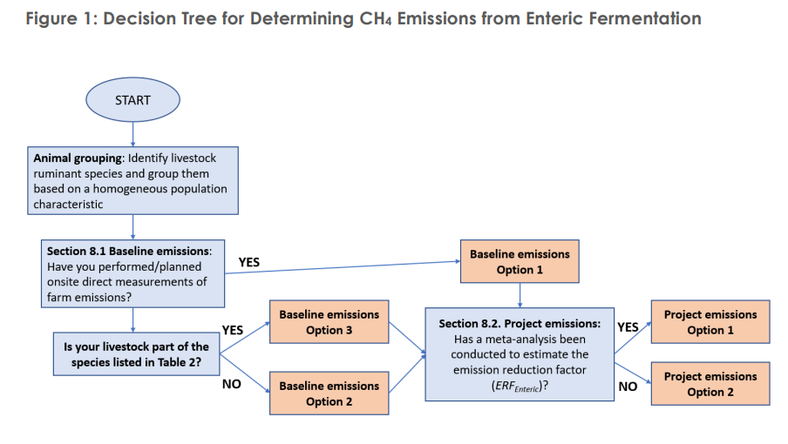

Sheet "VM0041" Cell F28

Sheet "VM0041" Cell F29
Sheet "VM0041" Cell F39

